cash flow
 | Operating Activities |  |  |  | SORT BY INFLOW AND OUTFLOW
(in millions) | Net income | 1,542 |  |  | SORT BY OPERATING ACTIVITIES | Changes in income taxes payable | 65
 | Depreciation and amortization | 137 |  |  | SORT BY FLOW DIAGRAM | Other, net | 92
 | Refranchising (gain) loss | -540 |  |  |  | Proceeds from refranchising of restaurants | 825
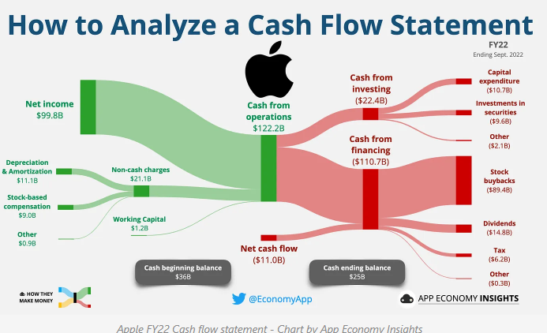
 | Investment (income) expense, net | -9 |  |  |  | Net income | 1,542
 | Contributions to defined benefit pension plans | -16 |  |  |  | Depreciation and amortization | 137
 | Deferred income taxes | -11 |  |  |  | Share-based compensation expense | 50
 | Share-based compensation expense | 50 |  |  |  | Proceeds from long-term debt | 1,556
 | Changes in accounts and notes receivable | -66 |  |  |  |  | 4267
 | Changes in prepaid expenses and other current assets | 0
 | Changes in accounts payable and other current liabilities | -68
 | Changes in income taxes payable | 65
 | Other, net | 92
 | Net Cash Provided by Operating Activities | 1,176
 | Cash Flows - Investing Activities
 | Capital spending | -234
 | QuikOrder acquisition, net of cash acquired | -66
 | Investment in Grubhub Inc. common stock | -200
 | Proceeds from refranchising of restaurants | 825
 | Other, net | -12
 | Net Cash Provided by Investing Activities | 313
 | Cash Flows - Financing Activities
 | Proceeds from long-term debt | 1,556
 | Repayments of long-term debt | -1,264
 | Revolving credit facilities, three months or less, net | 0
 | Short-term borrowings, by original maturity | 0
 | More than three months - proceeds | 59
 | More than three months - payments | -59
 | Three months or less, net | 0
 | Repurchase shares of Common Stock | -2,390
 | Dividends paid on Common Stock | -462
 | Debt issuance costs | -13
 | Other, net | -47
 | Net Cash Used in Financing Activities | -2,620 |  |  |  |  | 611 |  | 1,083
 |  |  |  |  |  |  | 982 |  | -1259
 |  |  |  |  |  |  | 1,083 |  | -176
 | Effect of Exchange Rate on Cash and Cash Equivalents | -63 |  |  |  |  | -409
 |  |  |  |  |  |  | 674
 | Net Increase (Decrease) in Cash | -1,194 | 1,668 | 474 |  |  | -1,083

 |  | -996 | 198 | 292 | 94

 |  |  |  |  |  |  |  | -1,194
 |  |  |  |  |  |  |  | 1,668
 |  |  |  |  |  |  |  | 474

